Logit Regression
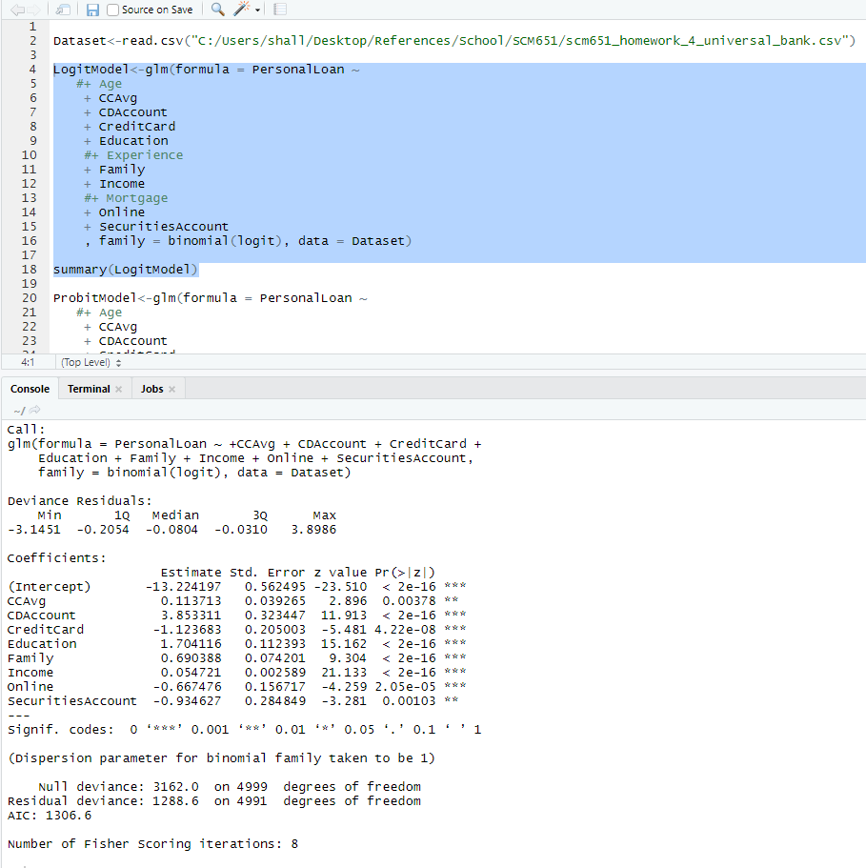
 | Estimate | Std. Error | z value | Pr(>|z|)
(Intercept) | -13.224197 | 0.562495 | -23.51 | < 2e-16 | ***
CCAvg | 0.113713 | 0.039265 | 2.896 | 0.00378 | **
CDAccount | 3.853311 | 0.323447 | 11.913 | < 2e-16 | ***
CreditCard | -1.123683 | 0.205003 | -5.481 | 4.22E-08 | ***
Education | 1.704116 | 0.112393 | 15.162 | < 2e-16 | ***
Family | 0.690388 | 0.074201 | 9.304 | < 2e-16 | ***
Income | 0.054721 | 0.002589 | 21.133 | < 2e-16 | ***
Online | -0.667476 | 0.156717 | -4.259 | 2.05E-05 | ***
SecuritiesAccount | -0.934627 | 0.284849 | -3.281 | 0.00103 | **

Variable | Coefficient | Value | Product
(Intercept) | -13.224197 |  | 0.00
CCAvg | 0.113713 |  | 0.00
CDAccount | 3.853311 |  | 0.00
CreditCard | -1.123683 |  | 0.00
Education | 1.704116 |  | 0.00
Family | 0.690388 |  | 0.00
Income | 0.054721 |  | 0.00
Online | -0.667476 |  | 0.00
SecuritiesAccount | -0.934627 |  | 0.00

 |  | Sum | 0
 |  | Exp(sum) | 1
 |  | Prob | 0.5

(Intercept) | -13.224197 | 0.562495 | -23.51 | < 2e-16 | ***
CCAvg | 0.113713 | 0.039265 | 2.896 | 0.00378 | **
CDAccount | 3.853311 | 0.323447 | 11.913 | < 2e-16 | ***
CreditCard | -1.123683 | 0.205003 | -5.481 | 4.22E-08 | ***
Education | 1.704116 | 0.112393 | 15.162 | < 2e-16 | ***
Family | 0.690388 | 0.074201 | 9.304 | < 2e-16 | ***
Income | 0.054721 | 0.002589 | 21.133 | < 2e-16 | ***
Online | -0.667476 | 0.156717 | -4.259 | 2.05E-05 | ***
SecuritiesAccount | -0.934627 | 0.284849 | -3.281 | 0.00103 | **

Probit Regression
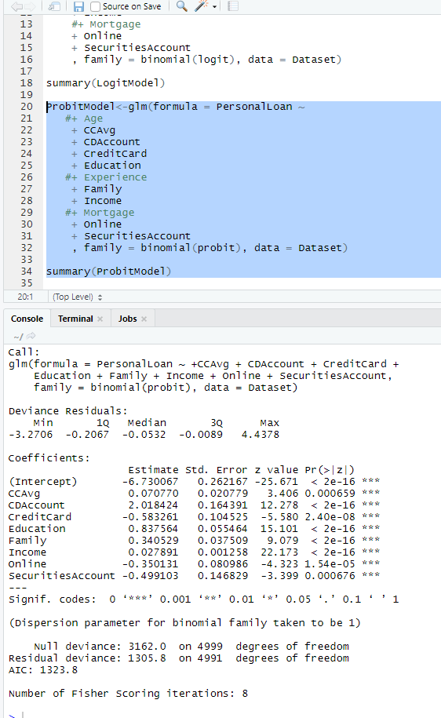
 | Estimate | Std. Error | z value | Pr(>|z|)
(Intercept) | -6.730067 | 0.262167 | -25.671 | < 2e-16 | ***
CCAvg | 0.07077 | 0.020779 | 3.406 | 0.000659 | ***
CDAccount | 2.018424 | 0.164391 | 12.278 | < 2e-16 | ***
CreditCard | -0.583261 | 0.104525 | -5.58 | 2.40E-08 | ***
Education | 0.837564 | 0.055464 | 15.101 | < 2e-16 | ***
Family | 0.340529 | 0.037509 | 9.079 | < 2e-16 | ***
Income | 0.027891 | 0.001258 | 22.173 | < 2e-16 | ***
Online | -0.350131 | 0.080986 | -4.323 | 1.54E-05 | ***
SecuritiesAccount | -0.499103 | 0.146829 | -3.399 | 0.000676 | ***

Variable | Coefficient | Value | Product
(Intercept) | -6.730067 |  | 0.00
CCAvg | 0.07077 |  | 0.00
CDAccount | 2.018424 |  | 0.00
CreditCard | -0.583261 |  | 0.00
Education | 0.837564 |  | 0.00
Family | 0.340529 |  | 0.00
Income | 0.027891 |  | 0.00
Online | -0.350131 |  | 0.00
SecuritiesAccount | -0.499103 |  | 0.00

 |  | Sum | 0
 |  | Prob | 0.5

